Reasoning
Geothermal
Max Potential: 8459 MW, 0.05% that of solar. Low comparing to all the other technologies
Development mainly focus on residential heating, rather than electricity generation

Solar Thermal
Max Potential low comparing to other technologies
规划项目总mw相比其他能源较低

Nuclear
参照GCAM参数+在建核电项目总数较高

Biomass
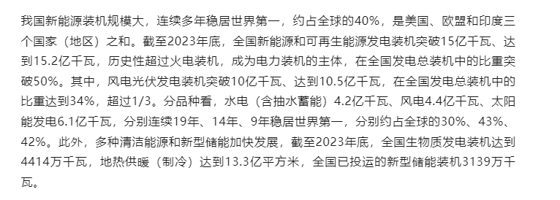

Max Potential: around 5% comparing to solar. Current capacity only 1% comparing to hydro, solar and wind
Development focuses more on large-scale heating and electricity generation in the rural area

